SCRIPT
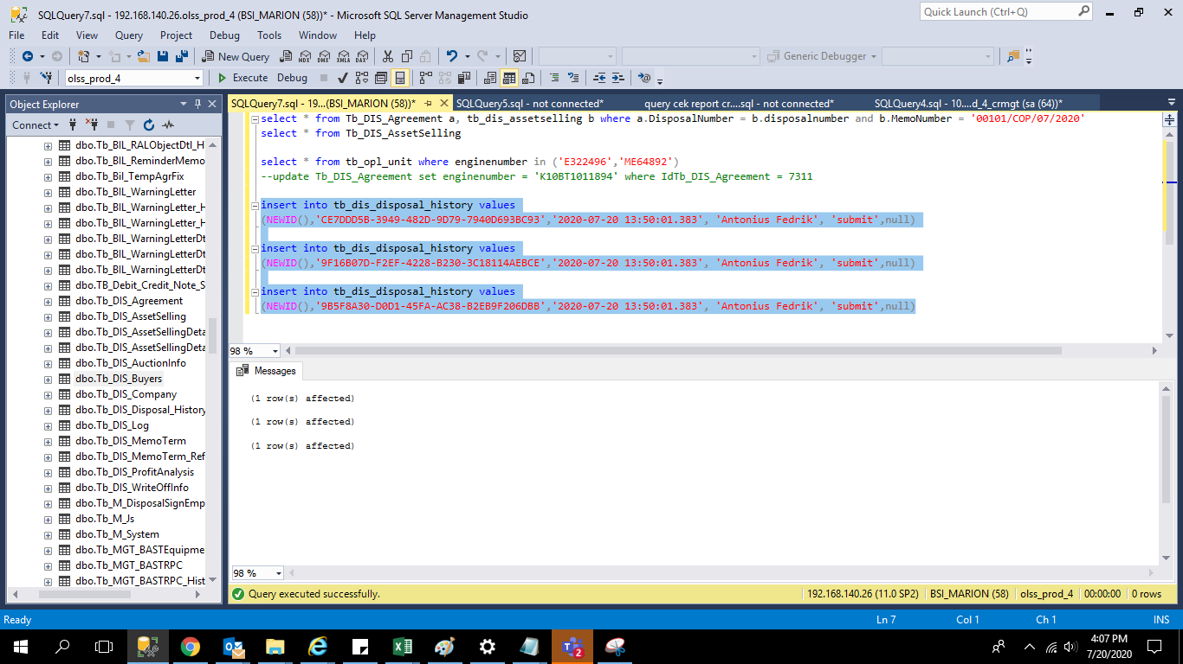
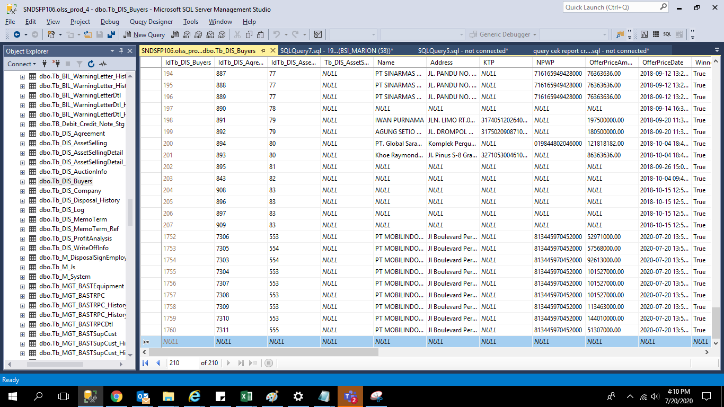
insert into tb_dis_disposal_history values
(NEWID(),'CE7DDD5B-3949-482D-9D79-7940D693BC93','2020-07-20 13:50:01.383', 'Antonius Fedrik', 'submit',null)

insert into tb_dis_disposal_history values
(NEWID(),'9F16B07D-F2EF-4228-B230-3C18114AEBCE','2020-07-20 13:50:01.383', 'Antonius Fedrik', 'submit',null)

insert into tb_dis_disposal_history values
(NEWID(),'9B5F8A30-D0D1-45FA-AC38-B2EB9F206DBB','2020-07-20 13:50:01.383', 'Antonius Fedrik', 'submit',null)

update OPLUObjectLease set EngineNumber = 'ME64892' where IdTb_OPL_Unit = 8835
update OPLUObjectLease set EngineNumber = 'E322496' where IdTb_OPL_Unit = 8897
update OPLUObjectLease set EngineNumber = 'K10BT1011894' where IdTb_OPL_Unit = 8972
update Tb_DIS_Agreement set enginenumber = 'K10BT1011894' where IdTb_DIS_Agreement = 7311

SCREENSHOOT
